ISS reports summary
Cumulative cases w/ symptom onset or diagnosis/swab date and cumulative reported cases. Source: ISS.
 | cumulative incidence of cases w/ symptom onset date | cumulative incidence of cases w/ diagnosis/swab date | cumulative reported cases
2020-03-09 | 4555 | 7812 | 8342
2020-03-10
2020-03-11 | 6082 | 11139 | 11538
2020-03-12 | 8331 | 13323 | 13882
2020-03-13 | 9113 | 15514 | 16295
2020-03-14 | 11130 | 18436 | 19441
2020-03-15 | 11337 | 21129 | 22512
2020-03-16 | 13601 | 24346 | 25028
2020-03-17 | 16181 | 27224 | 28293
2020-03-18 | 17389 | 30722 | 31772
2020-03-19 | 18966 | 34927 | 35731
2020-03-20 | 21157 | 39981 | 42220
2020-03-21 | 22993 | 46584 | 48452
2020-03-22 | 28330 | 50246 | 52796
2020-03-23 | 29603 | 55059 | 57989
2020-03-24 | 31959 | 59203 | 62844
2020-03-25 | 34371 | 64130 | 67814
2020-03-26 | 37403 | 70418 | 73780
2020-03-27 | 44204 | 76714 | 79968
2020-03-28 | 46704 | 82510 | 85308
2020-03-29 | 48525 | 87038 | 89967
2020-03-30 | 53084 | 90972 | 94312
2020-03-31 | 55280 | 95077 | 98716
2020-04-01 | 57951 | 98500 | 102669
2020-04-02 | 60313 | 101994 | 106399
2020-04-03 | 63084 | 107342 | 112401
2020-04-04 | 65145 | 111692 | 117050
2020-04-05 | 70012 | 116363 | 120290
2020-04-06 | 71354 | 120570 | 124527
2020-04-07 | 73040 | 123801 | 127790
2020-04-08 | 75897 | 127642 | 131751
2020-04-09 | 77927 | 131995 | 136110
2020-04-10 | 77878 | 133700 | 139377
2020-04-11 | 81792 | 139347 | 143199
2020-04-12 | 82648 | 142425 | 146321
2020-04-13 | 83817 | 146233 | 150189
2020-04-14
2020-04-15 | 86392 | 151212 | 155467
2020-04-16 | 87954 | 155133 | 159107
2020-04-17 | 90191 | 157904 | 162004
2020-04-18
2020-04-19
2020-04-20 | 93188 | 165282 | 169325
2020-04-21
2020-04-22 | 95815 | 169779 | 173730
2020-04-23 | 97568 | 173325 | 177143
2020-04-24 | 109766 | 179451 | 183269
2020-04-25
2020-04-26
2020-04-27 | 118063 | 193301 | 197096
...
day of week | date | time | cumulative incidence of cases w/ symptom onset date | cumulative incidence of cases w/ diagnosis/swab date | cumulative reported cases | cumulative reported deaths
Mon | 2020-03-09 | 16:00:00 | 4555 | 7812 | 8342 | 357
Tue | 2020-03-10 | 16:00:00
Wed | 2020-03-11 | 16:00:00 | 6082 | 11139 | 11538 | 619
Thu | 2020-03-12 | 16:00:00 | 8331 | 13323 | 13882 | 803
Fri | 2020-03-13 | 16:00:00 | 9113 | 15514 | 16295 | 1017
Sat | 2020-03-14 | 16:00:00 | 11130 | 18436 | 19441 | 1235
Sun | 2020-03-15 | 16:00:00 | 11337 | 21129 | 22512 | 1625
Mon | 2020-03-16 | 16:00:00 | 13601 | 24346 | 25028 | 1647
Tue | 2020-03-17 | 16:00:00 | 16181 | 27224 | 28293 | 2003
Wed | 2020-03-18 | 16:00:00 | 17389 | 30722 | 31772 | 2390
Thu | 2020-03-19 | 16:00:00 | 18966 | 34927 | 35731 | 3047
Fri | 2020-03-20 | 16:00:00 | 21157 | 39981 | 42220 | 3200
Sat | 2020-03-21 | 16:00:00 | 22993 | 46584 | 48452 | 3770
Sun | 2020-03-22 | 16:00:00 | 28330 | 50246 | 52796 | 4465
Mon | 2020-03-23 | 16:00:00 | 29603 | 55059 | 57989 | 5019
Tue | 2020-03-24 | 16:00:00 | 31959 | 59203 | 62844 | 5542
Wed | 2020-03-25 | 16:00:00 | 34371 | 64130 | 67814 | 6157
Thu | 2020-03-26 | 16:00:00 | 37403 | 70418 | 73780 | 6801
Fri | 2020-03-27 | 16:00:00 | 44204 | 76714 | 79968 | 7590
Sat | 2020-03-28 | 16:00:00 | 46704 | 82510 | 85308 | 8460
Sun | 2020-03-29 | 17:00:00 | 48525 | 87038 | 89967 | 9220
Mon | 2020-03-30 | 18:00:00 | 53084 | 90972 | 94312 | 10026
Tue | 2020-03-31 | 19:00:00 | 55280 | 95077 | 98716 | 10943
Wed | 2020-04-01 | 16:00:00 | 57951 | 98500 | 102669 | 11857
cumulative reported deaths. Source: ISS.
 | cumulative reported deaths
2020-03-09 | 357
2020-03-10
2020-03-11 | 619
2020-03-12 | 803
2020-03-13 | 1017
2020-03-14 | 1235
2020-03-15 | 1625
2020-03-16 | 1647
2020-03-17 | 2003
2020-03-18 | 2390
2020-03-19 | 3047
2020-03-20 | 3200
2020-03-21 | 3770
2020-03-22 | 4465
2020-03-23 | 5019
2020-03-24 | 5542
2020-03-25 | 6157
2020-03-26 | 6801
2020-03-27 | 7590
2020-03-28 | 8460
2020-03-29 | 9220
2020-03-30 | 10026
2020-03-31 | 10943
2020-04-01 | 11857
2020-04-02 | 12550
2020-04-03 | 13241
2020-04-04 | 13828
2020-04-05 | 14381
2020-04-06 | 14860
2020-04-07 | 15751
2020-04-08 | 16162
2020-04-09 | 16654
2020-04-10 | 17364
2020-04-11 | 17916
2020-04-12 | 18366
2020-04-13 | 18641
2020-04-14
2020-04-15 | 19508
2020-04-16 | 19996
2020-04-17 | 20531
2020-04-18
2020-04-19
2020-04-20 | 21551
2020-04-21
2020-04-22 | 22586
2020-04-23 | 23188
2020-04-24 | 23576
2020-04-25
2020-04-26
2020-04-27 | 24780
...
Thu | 2020-04-02 | 16:00:00 | 60313 | 101994 | 106399 | 12550
Fri | 2020-04-03 | 16:00:00 | 63084 | 107342 | 112401 | 13241
Sat | 2020-04-04 | 16:00:00 | 65145 | 111692 | 117050 | 13828
Sun | 2020-04-05 | 16:00:00 | 70012 | 116363 | 120290 | 14381
Mon | 2020-04-06 | 16:00:00 | 71354 | 120570 | 124527 | 14860
Tue | 2020-04-07 | 16:00:00 | 73040 | 123801 | 127790 | 15751
Wed | 2020-04-08 | 16:00:00 | 75897 | 127642 | 131751 | 16162
Thu | 2020-04-09 | 16:00:00 | 77927 | 131995 | 136110 | 16654
Fri | 2020-04-10 | 16:00:00 | 77878 | 133700 | 139377 | 17364
Sat | 2020-04-11 | 16:00:00 | 81792 | 139347 | 143199 | 17916
Sun | 2020-04-12 | 16:00:00 | 82648 | 142425 | 146321 | 18366
Mon | 2020-04-13 | 16:00:00 | 83817 | 146233 | 150189 | 18641
Tue | 2020-04-14 | 16:00:00
Wed | 2020-04-15 | 16:00:00 | 86392 | 151212 | 155467 | 19508
Thu | 2020-04-16 | 16:00:00 | 87954 | 155133 | 159107 | 19996
Fri | 2020-04-17 | 16:00:00 | 90191 | 157904 | 162004 | 20531
Sat | 2020-04-18 | 16:00:00
Sun | 2020-04-19 | 16:00:00
Mon | 2020-04-20 | 16:00:00 | 93188 | 165282 | 169325 | 21551
Tue | 2020-04-21 | 16:00:00
Wed | 2020-04-22 | 16:00:00 | 95815 | 169779 | 173730 | 22586
Thu | 2020-04-23 | 16:00:00 | 97568 | 173325 | 177143 | 23188
Fri | 2020-04-24 | 16:00:00 | 109766 | 179451 | 183269 | 23576
Sat | 2020-04-25 | 16:00:00
Sun | 2020-04-26 | 16:00:00
Mon | 2020-04-27 | 16:00:00 | 118063 | 193301 | 197096 | 24780
Tue | 2020-04-28 | 16:00:00 | 125629 | 195715 | 199470 | 25215
Wed | 2020-04-29 | 16:00:00
Thu | 2020-04-30 | 16:00:00 |  |  | 203545 | 25855
Fri | 2020-05-01 | 16:00:00 | 125955 | 201077 | 204576 | 26049
Sat | 2020-05-02 | 16:00:00
Sun | 2020-05-03 | 16:00:00
Mon | 2020-05-04 | 16:00:00 | 123955 | 205891 | 209254 | 26892
Tue | 2020-05-05 | 16:00:00
Wed | 2020-05-06 | 16:00:00 | 126168 | 209216 | 212532 | 27402
Thu | 2020-05-07 | 16:00:00 | 128038 | 210792 | 214103 | 27955
Fri | 2020-05-08 | 16:00:00 | 139566 | 212385 | 215665 | 28274
Sat | 2020-05-09 | 16:00:00
Sun | 2020-05-10 | 16:00:00
Mon | 2020-05-11 | 16:00:00 | 147572 | 215808 | 218997 | 28903
Tue | 2020-05-12 | 16:00:00
Wed | 2020-05-13 | 16:00:00 | 153006 | 218123 | 221133 | 29525
Thu | 2020-05-14 | 16:00:00 | 154883 | 219189 | 222074 | 29692
Fri | 2020-05-15 | 16:00:00 | 156673 | 220513 | 223095 | 29884
Sat | 2020-05-16 | 16:00:00
Sun | 2020-05-17 | 16:00:00
Mon | 2020-05-18 | 16:00:00 | 161522 | 222939 | 225549 | 30332
Tue | 2020-05-19 | 16:00:00
Wed | 2020-05-20 | 16:00:00 | 165667 | 224706 | 227204 | 31017
Thu | 2020-05-21 | 16:00:00 | 166142 | 225054 | 227615 | 31096
Fri | 2020-05-22 | 16:00:00 | 167490 | 225788 | 228418 | 31248
Sat | 2020-05-23 | 16:00:00
Sun | 2020-05-24 | 16:00:00
Mon | 2020-05-25 | 16:00:00 | 170563 | 227719 | 230414 | 31546
Tue | 2020-05-26 | 16:00:00 | 171053 | 228125 | 230811 | 31676
Wed | 2020-05-27 | 16:00:00 | 172193 | 228388 | 231030 | 31722
Thu | 2020-05-28 | 16:00:00
Fri | 2020-05-29 | 16:00:00 | 173970 | 229701 | 232269 | 31936
Sat | 2020-05-30 | 16:00:00
Sun | 2020-05-31 | 16:00:00
Mon | 2020-06-01 | 16:00:00 | 175920 | 231076 | 233607 | 32235
Tue | 2020-06-02 | 16:00:00
Wed | 2020-06-03 | 16:00:00 | 177108 | 231617 | 234119 | 32354
Thu | 2020-06-04 | 16:00:00
Fri | 2020-06-05 | 16:00:00
Sat | 2020-06-06 | 16:00:00
Sun | 2020-06-07 | 16:00:00
Mon | 2020-06-08 | 16:00:00 | 180178 | 233784 | 235579 | 32722
Tue | 2020-06-09 | 16:00:00 | 180676 | 234061 | 235827 | 32825
Wed | 2020-06-10 | 16:00:00 | 181453 | 234316 | 236076 | 32867
Thu | 2020-06-11 | 16:00:00
Fri | 2020-06-12 | 16:00:00
Sat | 2020-06-13 | 16:00:00
Sun | 2020-06-14 | 16:00:00
Mon | 2020-06-15 | 16:00:00 | 183243 | 235938 | 237695 | 33168
Tue | 2020-06-16 | 16:00:00 | 183412 | 236372 | 238082 | 33209
Wed | 2020-06-17 | 16:00:00
Thu | 2020-06-18 | 16:00:00
Fri | 2020-06-19 | 16:00:00 | 184627 | 237342 | 238901 | 33369
Sat | 2020-06-20 | 16:00:00
Sun | 2020-06-21 | 16:00:00
Mon | 2020-06-22 | 16:00:00 | 180404 | 237951 | 239627 | 33498

Italy cases by diagnosis 19jun
Date | Day (category mi) | raw # of cases by diagnosis date (frequency fi) | rounded # of cases by diagnosis date (frequency fi) | adj. rounded # of cases by diagnosis date (frequency fi) | Accumulative # of cases (rounded) | raw # of cases by <diagnosis date (frequency fi) - provisional | rounded # of cases by diagnosis date (frequency fi) - provisional | adj. rounded # of cases by diagnosis date (frequency fi) - provisional | Accumulative # of cases (rounded) - provisional | mifi | mifi provisional | (mi-μ)2fi | WebPlotDigitazer digitization software (https://apps.automeris.io/wpd/) has been used to digitize from pdf graph. The points were extracted manually. The fixed value error bar refers to bar extraction algorithm. Actual errors related to the manual process may differ. |  |  | Image size (px) h x v | 2113 | x | 1577 | val. min | -1104 | val. max | 6599 | ∆x= | 5 | px | ∆val= | 1 | px
2020-01-01 | 1 |  |  | 1 |  |  |  | 1 |  |  |  |  |  |  |  |  |  | val / px | 4.8845909956 |  |  |  | Estimated Manual Extraction Error (EMEE) = |  |  |  | err. bar= | 5 | val x point
2020-01-02 | 2 |  |  | 1 |  |  |  | 1 |  |  |  |  | Sample size of the source | 237951 | Data source: | https://www.epicentro.iss.it/en/coronavirus/bollettino/Infografica_22giugno%20ENG.pdf |  |  |  |  |  |  | Estimated Axis Calibration Error (EACE) = |  |  |  | '' | '' | ''
Incidence of cases by diagnosis/swab date from 24-jan to 22-jun 2020. Source: ISS*. (*manual extraction from source graph)
 | rounded # of cases by diagnosis date (frequency fi) | rounded # of cases by diagnosis date (frequency fi) - provisional
2020-01-25
2020-01-26
2020-01-27
2020-01-28
2020-01-29 | 4
2020-01-30
2020-01-31
2020-02-01
2020-02-02
2020-02-03
2020-02-04
2020-02-05
2020-02-06
2020-02-07
2020-02-08
2020-02-09
2020-02-10
2020-02-11
2020-02-12
2020-02-13
2020-02-14
2020-02-15
2020-02-16
2020-02-17
2020-02-18
2020-02-19
2020-02-20 | 4
2020-02-21 | 33
2020-02-22 | 53
2020-02-23 | 72
2020-02-24 | 87
2020-02-25 | 194
2020-02-26 | 278
2020-02-27 | 287
2020-02-28 | 356
2020-02-29 | 371
2020-03-01 | 405
2020-03-02 | 635
2020-03-03 | 816
2020-03-04 | 1080
2020-03-05 | 1310
2020-03-06 | 1549
2020-03-07 | 1417
2020-03-08 | 1471
2020-03-09 | 2229
2020-03-10 | 2478
2020-03-11 | 2782
2020-03-12 | 3168
2020-03-13 | 4127
2020-03-14 | 3574
...
https://www.epicentro.iss.it/en/coronavirus/bollettino/Infografica_22giugno%20ENG.pdf
2020-01-03 | 3 |  |  | 1 |  |  |  | 1 |  |  |  |  | Sample size of the extracted ds | 237856 | -95
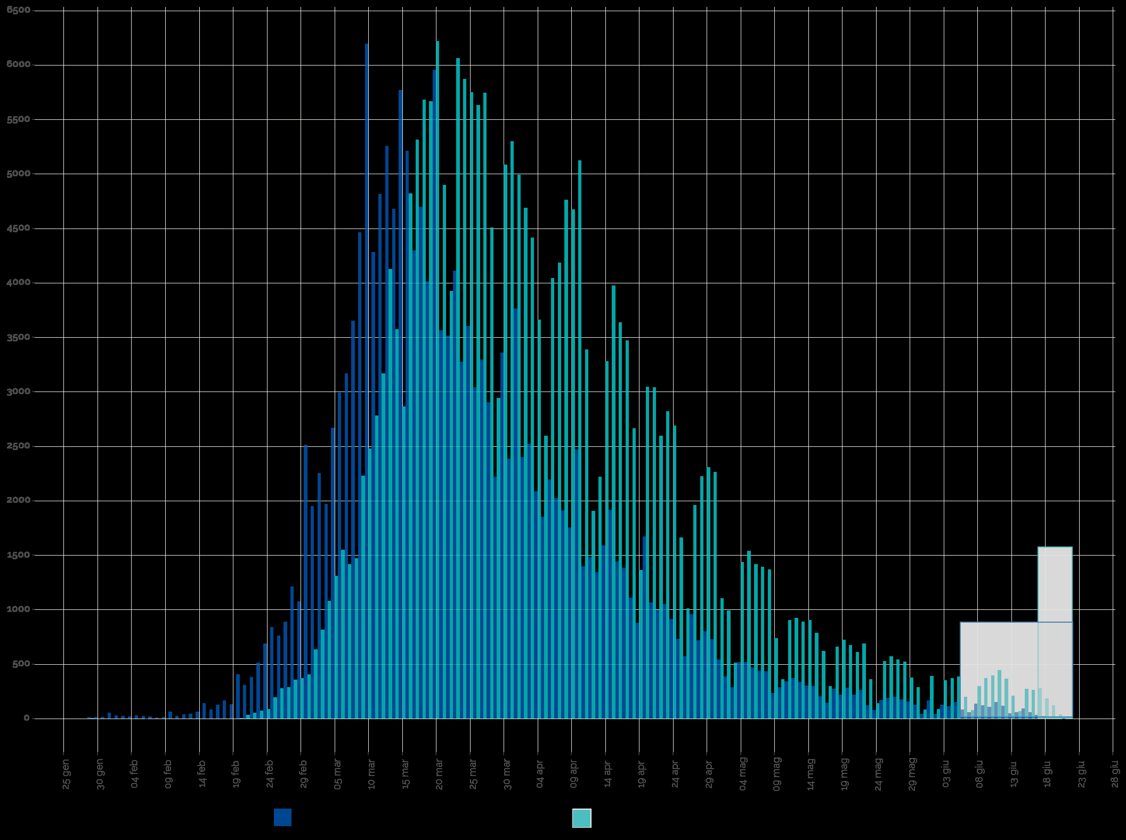
2020-01-04 | 4 |  |  | 1 |  |  |  | 1 |  |  |  |  | Blue area sample size | 234273 | excess-->
2020-01-05 | 5 |  |  | 1 |  |  |  | 1 |  |  |  |  | Grey area sample size | 3583
2020-01-06 | 6 |  |  | 1 |  |  |  | 1 |  |  |  |  |  | Day of the year | DD-Mmm
2020-01-07 | 7 |  |  | 1 |  |  |  | 1 |  |  |  |  | Mean of extracted sample* | 96 | 2020-04-05
2020-01-08 | 8 |  |  | 1 |  |  |  | 1 |  |  |  |  | Mean of blue area sample | 95 | 2020-04-04
2020-01-09 | 9 |  |  | 1 |  |  |  | 1 |  |  |  |  | SD of blue area sample | 20
2020-01-10 | 10 |  |  | 1 |  |  |  | 1 |  |  |  |  | (*the standard error of the sample mean (SEM) is negligible)
2020-01-11 | 11 |  |  | 1 |  |  |  | 1 |  |  |  |  | Mode of blue area sample | 80 | 2020-03-20
2020-01-12 | 12 |  |  | 1 |  |  |  | 1 |  |  |  |  | Median of blue area sample** | 91 | 2020-03-31
2020-01-13 | 13 |  |  | 1 |  |  |  | 1 |  |  |  |  | (**approx. ± 1 day)
2020-01-14 | 14 |  |  | 1 |  |  |  | 1
2020-01-15 | 15 |  |  | 1 |  |  |  | 1
2020-01-16 | 16 |  |  | 1 |  |  |  | 1
2020-01-17 | 17 |  |  | 1 |  |  |  | 1
2020-01-18 | 18 |  |  | 1 |  |  |  | 1
2020-01-19 | 19 |  |  | 1 |  |  |  | 1
2020-01-20 | 20 |  |  | 1 |  |  |  | 1
2020-01-21 | 21 |  |  | 1 |  |  |  | 1
2020-01-22 | 22 |  |  | 1 |  |  |  | 1
2020-01-23 | 23 |  |  | 1 |  |  |  | 1
2020-01-24 | 24 |  |  | 1 |  |  |  | 1
2020-01-25 | 25 |  |  | 1 |  |  |  | 1
2020-01-26 | 26 |  |  | 1 |  |  |  | 1
2020-01-27 | 27 |  |  | 1 |  |  |  | 1
2020-01-28 | 28 |  |  | 1 |  |  |  | 1
2020-01-29 | 29 | 4 | 4 | 5 | 5 |  |  | 1 |  | 138 |  | 17424
2020-01-30 | 30 |  |  | 1 | 6 |  |  | 1
2020-01-31 | 31 |  |  | 1 | 6 |  |  | 1
2020-02-01 | 32 |  |  | 1 | 7 |  |  | 1
2020-02-02 | 33 |  |  | 1 | 8 |  |  | 1
2020-02-03 | 34 |  |  | 1 | 9 |  |  | 1
2020-02-04 | 35 |  |  | 1 | 9 |  |  | 1
2020-02-05 | 36 |  |  | 1 | 10 |  |  | 1
2020-02-06 | 37 |  |  | 1 | 11 |  |  | 1
2020-02-07 | 38 |  |  | 1 | 12 |  |  | 1
2020-02-08 | 39 |  |  | 1 | 12 |  |  | 1
2020-02-09 | 40 |  |  | 1 | 13 |  |  | 1
2020-02-10 | 41 |  |  | 1 | 14 |  |  | 1
Accumulative # of cases by diagnosis/swab date from 24-jan to 22-jun 2020. Source: ISS*. (*manual extraction from source graph)
 | Accumulative # of cases (rounded) | Accumulative # of cases (rounded) - provisional
2020-01-25
2020-01-26
2020-01-27
2020-01-28
2020-01-29 | 5
2020-01-30 | 6
2020-01-31 | 6
2020-02-01 | 7
2020-02-02 | 8
2020-02-03 | 9
2020-02-04 | 9
2020-02-05 | 10
2020-02-06 | 11
2020-02-07 | 12
2020-02-08 | 12
2020-02-09 | 13
2020-02-10 | 14
2020-02-11 | 15
2020-02-12 | 16
2020-02-13 | 16
2020-02-14 | 17
2020-02-15 | 18
2020-02-16 | 19
2020-02-17 | 19
2020-02-18 | 20
2020-02-19 | 21
2020-02-20 | 26
2020-02-21 | 60
2020-02-22 | 113
2020-02-23 | 186
2020-02-24 | 274
2020-02-25 | 469
2020-02-26 | 747
2020-02-27 | 1035
2020-02-28 | 1392
2020-02-29 | 1764
2020-03-01 | 2169
2020-03-02 | 2805
2020-03-03 | 3622
2020-03-04 | 4703
2020-03-05 | 6014
2020-03-06 | 7563
2020-03-07 | 8981
2020-03-08 | 10453
2020-03-09 | 12683
2020-03-10 | 15161
2020-03-11 | 17944
2020-03-12 | 21113
2020-03-13 | 25241
2020-03-14 | 28816
...
https://www.epicentro.iss.it/en/coronavirus/bollettino/Infografica_22giugno%20ENG.pdf
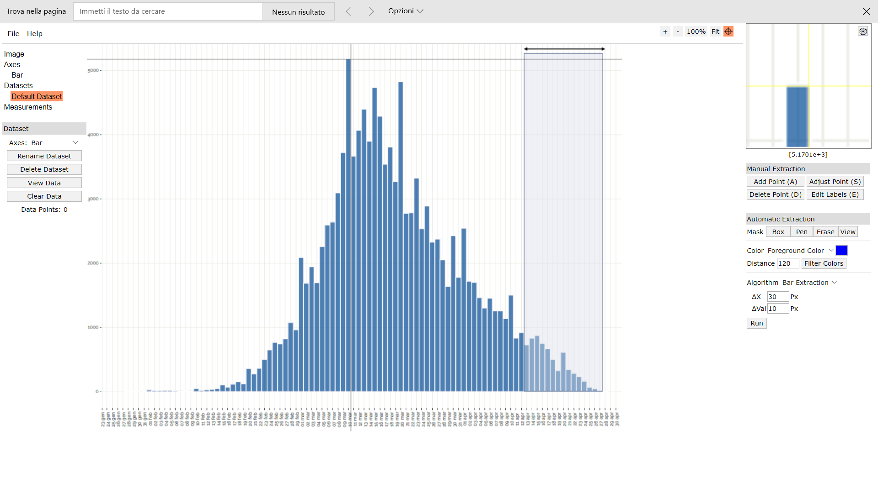
Digitizer example page
2020-02-11 | 42 |  |  | 1 | 15 |  |  | 1
2020-02-12 | 43 |  |  | 1 | 16 |  |  | 1
2020-02-13 | 44 |  |  | 1 | 16 |  |  | 1
2020-02-14 | 45 |  |  | 1 | 17 |  |  | 1
2020-02-15 | 46 |  |  | 1 | 18 |  |  | 1
2020-02-16 | 47 |  |  | 1 | 19 |  |  | 1
2020-02-17 | 48 |  |  | 1 | 19 |  |  | 1
2020-02-18 | 49 |  |  | 1 | 20 |  |  | 1
2020-02-19 | 50 |  |  | 1 | 21 |  |  | 1
2020-02-20 | 51 | 4 | 4 | 5 | 26 |  |  | 1 |  | 243 |  | 9239
2020-02-21 | 52 | 33 | 33 | 34 | 60 |  |  | 1 |  | 1756 |  | 62445
2020-02-22 | 53 | 53 | 53 | 54 | 113 |  |  | 1 |  | 2850 |  | 94854
2020-02-23 | 54 | 72 | 72 | 73 | 186 |  |  | 1 |  | 3930 |  | 122330
2020-02-24 | 55 | 87 | 87 | 88 | 274 |  |  | 1 |  | 4827 |  | 140436
2020-02-25 | 56 | 194 | 194 | 195 | 469 |  |  | 1 |  | 10907 |  | 296249
2020-02-26 | 57 | 278 | 278 | 279 | 747 |  |  | 1 |  | 15890 |  | 402547
2020-02-27 | 58 | 287 | 287 | 288 | 1035 |  |  | 1 |  | 16691 |  | 393960
2020-02-28 | 59 | 356 | 356 | 357 | 1392 |  |  | 1 |  | 21050 |  | 462377
2020-02-29 | 60 | 371 | 371 | 372 | 1764 |  |  | 1 |  | 22306 |  | 455421
2020-03-01 | 61 | 405 | 405 | 406 | 2169 |  |  | 1 |  | 24752 |  | 469073
2020-03-02 | 62 | 635 | 635 | 636 | 2805 |  |  | 1 |  | 39418 |  | 692356
2020-03-03 | 63 | 816 | 816 | 817 | 3622 |  |  | 1 |  | 51457 |  | 836375
2020-03-04 | 64 | 1080 | 1080 | 1081 | 4703 |  |  | 1 |  | 69169 |  | 1038622
2020-03-05 | 65 | 1310 | 1310 | 1311 | 6014 |  |  | 1 |  | 85200 |  | 1179695
2020-03-06 | 66 | 1549 | 1549 | 1550 | 7563 |  |  | 1 |  | 102285 |  | 1303359
2020-03-07 | 67 | 1417 | 1417 | 1418 | 8981 |  |  | 1 |  | 94991 |  | 1111534
2020-03-08 | 68 | 1471 | 1471 | 1472 | 10453 |  |  | 1 |  | 100081 |  | 1072922
2020-03-09 | 69 | 2229 | 2229 | 2230 | 12683 |  |  | 1 |  | 153854 |  | 1507326
2020-03-10 | 70 | 2478 | 2478 | 2479 | 15161 |  |  | 1 |  | 173514 |  | 1549233
2020-03-11 | 71 | 2782 | 2782 | 2783 | 17944 |  |  | 1 |  | 197577 |  | 1602877
2020-03-12 | 72 | 3168 | 3168 | 3169 | 21113 |  |  | 1 |  | 228152 |  | 1676281
2020-03-13 | 73 | 4127 | 4127 | 4128 | 25241 |  |  | 1 |  | 301327 |  | 1997842 |  |  |  |  |  |  |  |  |  |  |  |  |  |  |  | Author: Ankit Rohatgi Title: WebPlotDigitizer Website: https://automeris.io/WebPlotDigitizer Version: 4.2 Date: April, 2019 E-Mail: ankitrohatgi@hotmail.com Location: San Francisco, California, USA
2020-03-14 | 74 | 3574 | 3574 | 3575 | 28816 |  |  | 1 |  | 264533 |  | 1576475
2020-03-15 | 75 | 2865 | 2865 | 2866 | 31681 |  |  | 1 |  | 214933 |  | 1146309
2020-03-16 | 76 | 4821 | 4821 | 4822 | 36503 |  |  | 1 |  | 366455 |  | 1740660
2020-03-17 | 77 | 5315 | 5315 | 5316 | 41819 |  |  | 1 |  | 409314 |  | 1722310
2020-03-18 | 78 | 5682 | 5682 | 5683 | 47502 |  |  | 1 |  | 443256 |  | 1642321
2020-03-19 | 79 | 5667 | 5667 | 5668 | 53169 |  |  | 1 |  | 447754 |  | 1450950
2020-03-20 | 80 | 6220 | 6220 | 6221 | 59390 |  |  | 1 |  | 497662 |  | 1399674
2020-03-21 | 81 | 4899 | 4899 | 4900 | 64290 |  |  | 1 |  | 396882 |  | 960355
2020-03-22 | 82 | 3926 | 3926 | 3927 | 68217 |  |  | 1 |  | 321995 |  | 663625
2020-03-23 | 83 | 6063 | 6063 | 6064 | 74280 |  |  | 1 |  | 503293 |  | 873183
2020-03-24 | 84 | 5873 | 5873 | 5874 | 80154 |  |  | 1 |  | 493397 |  | 710726
2020-03-25 | 85 | 5750 | 5750 | 5751 | 85905 |  |  | 1 |  | 488816 |  | 575077
2020-03-26 | 86 | 5633 | 5633 | 5634 | 91539 |  |  | 1 |  | 484504 |  | 456336
2020-03-27 | 87 | 5746 | 5746 | 5747 | 97286 |  |  | 1 |  | 499969 |  | 367793
2020-03-28 | 88 | 4508 | 4508 | 4509 | 101794 |  |  | 1 |  | 396772 |  | 220930
2020-03-29 | 89 | 2943 | 2943 | 2944 | 104738 |  |  | 1 |  | 261996 |  | 105976
2020-03-30 | 90 | 5085 | 5085 | 5086 | 109824 |  |  | 1 |  | 457720 |  | 127144
2020-03-31 | 91 | 5300 | 5300 | 5301 | 115125 |  |  | 1 |  | 482370 |  | 84812
2020-04-01 | 92 | 4992 | 4992 | 4993 | 120117 |  |  | 1 |  | 459335 |  | 44935
2020-04-02 | 93 | 4689 | 4689 | 4690 | 124807 |  |  | 1 |  | 436149 |  | 18759
2020-04-03 | 94 | 4415 | 4415 | 4416 | 129223 |  |  | 1 |  | 415083 |  | 4416
2020-04-04 | 95 | 3662 | 3662 | 3663 | 132886 |  |  | 1 |  | 347963 |  | 0
2020-04-05 | 96 | 2596 | 2596 | 2597 | 135483 |  |  | 1 |  | 249290 |  | 2597
2020-04-06 | 97 | 4044 | 4044 | 4045 | 139527 |  |  | 1 |  | 392343 |  | 16179
2020-04-07 | 98 | 4185 | 4185 | 4186 | 143713 |  |  | 1 |  | 410206 |  | 37672
2020-04-08 | 99 | 4762 | 4762 | 4763 | 148476 |  |  | 1 |  | 471514 |  | 76204
2020-04-09 | 100 | 4674 | 4674 | 4675 | 153151 |  |  | 1 |  | 467477 |  | 116869
2020-04-10 | 101 | 5124 | 5124 | 5125 | 158275 |  |  | 1 |  | 517602 |  | 184492
2020-04-11 | 102 | 3388 | 3388 | 3389 | 161664 |  |  | 1 |  | 345655 |  | 166050
2020-04-12 | 103 | 1906 | 1906 | 1907 | 163571 |  |  | 1 |  | 196398 |  | 122033
2020-04-13 | 104 | 2219 | 2219 | 2220 | 165791 |  |  | 1 |  | 230856 |  | 179802
2020-04-14 | 105 | 3281 | 3281 | 3282 | 169072 |  |  | 1 |  | 344586 |  | 328177
2020-04-15 | 106 | 3975 | 3975 | 3976 | 173048 |  |  | 1 |  | 421432 |  | 481068
2020-04-16 | 107 | 3638 | 3638 | 3639 | 176687 |  |  | 1 |  | 389349 |  | 523983
2020-04-17 | 108 | 3471 | 3471 | 3472 | 180159 |  |  | 1 |  | 374951 |  | 586730
2020-04-18 | 109 | 2664 | 2664 | 2665 | 182824 |  |  | 1 |  | 290460 |  | 522295
2020-04-19 | 110 | 1363 | 1363 | 1364 | 184187 |  |  | 1 |  | 150015 |  | 306849
2020-04-20 | 111 | 3046 | 3046 | 3047 | 187234 |  |  | 1 |  | 338192 |  | 779974
2020-04-21 | 112 | 3041 | 3041 | 3042 | 190276 |  |  | 1 |  | 340679 |  | 879072
2020-04-22 | 113 | 2596 | 2596 | 2597 | 192873 |  |  | 1 |  | 293435 |  | 841354
2020-04-23 | 114 | 2821 | 2821 | 2822 | 195694 |  |  | 1 |  | 321682 |  | 1018660
2020-04-24 | 115 | 2689 | 2689 | 2690 | 198384 |  |  | 1 |  | 309324 |  | 1075909
2020-04-25 | 116 | 1662 | 1662 | 1663 | 200047 |  |  | 1 |  | 192882 |  | 733283
2020-04-26 | 117 | 1011 | 1011 | 1012 | 201059 |  |  | 1 |  | 118377 |  | 489698
2020-04-27 | 118 | 1960 | 1960 | 1961 | 203020 |  |  | 1 |  | 231371 |  | 1037249
2020-04-28 | 119 | 2224 | 2224 | 2225 | 205244 |  |  | 1 |  | 264748 |  | 1281469
2020-04-29 | 120 | 2307 | 2307 | 2308 | 207552 |  |  | 1 |  | 276933 |  | 1442358
2020-04-30 | 121 | 2263 | 2263 | 2264 | 209816 |  |  | 1 |  | 273916 |  | 1530310
2020-05-01 | 122 | 1104 | 1104 | 1105 | 210921 |  |  | 1 |  | 134782 |  | 805379
2020-05-02 | 123 | 992 | 992 | 993 | 211913 |  |  | 1 |  | 122111 |  | 778334
2020-05-03 | 124 | 512 | 512 | 513 | 212426 |  |  | 1 |  | 63584 |  | 431242
2020-05-04 | 125 | 1437 | 1437 | 1438 | 213864 |  |  | 1 |  | 179722 |  | 1293995
2020-05-05 | 126 | 1539 | 1539 | 1540 | 215404 |  |  | 1 |  | 194011 |  | 1479721
2020-05-06 | 127 | 1417 | 1417 | 1418 | 216821 |  |  | 1 |  | 180057 |  | 1451799
2020-05-07 | 128 | 1393 | 1393 | 1394 | 218215 |  |  | 1 |  | 178403 |  | 1517818
2020-05-08 | 129 | 1368 | 1368 | 1369 | 219584 |  |  | 1 |  | 176572 |  | 1582301
2020-05-09 | 130 | 737 | 737 | 738 | 220322 |  |  | 1 |  | 95910 |  | 903771
2020-05-10 | 131 | 361 | 361 | 362 | 220684 |  |  | 1 |  | 47392 |  | 468857
2020-05-11 | 132 | 904 | 904 | 905 | 221588 |  |  | 1 |  | 119430 |  | 1238633
2020-05-12 | 133 | 923 | 923 | 924 | 222512 |  |  | 1 |  | 122862 |  | 1333927
2020-05-13 | 134 | 889 | 889 | 890 | 223402 |  |  | 1 |  | 119229 |  | 1353344
2020-05-14 | 135 | 904 | 904 | 905 | 224307 |  |  | 1 |  | 122144 |  | 1447636
2020-05-15 | 136 | 786 | 786 | 787 | 225093 |  |  | 1 |  | 107001 |  | 1322564
2020-05-16 | 137 | 620 | 620 | 621 | 225714 |  |  | 1 |  | 85046 |  | 1095042
2020-05-17 | 138 | 297 | 297 | 298 | 226012 |  |  | 1 |  | 41093 |  | 550581
2020-05-18 | 139 | 659 | 659 | 660 | 226672 |  |  | 1 |  | 91708 |  | 1277319
2020-05-19 | 140 | 723 | 723 | 724 | 227396 |  |  | 1 |  | 101328 |  | 1465639
2020-05-20 | 141 | 674 | 674 | 675 | 228070 |  |  | 1 |  | 95143 |  | 1427818
2020-05-21 | 142 | 610 | 610 | 611 | 228681 |  |  | 1 |  | 86730 |  | 1349196
2020-05-22 | 143 | 688 | 688 | 689 | 229370 |  |  | 1 |  | 98494 |  | 1586932
2020-05-23 | 144 | 361 | 361 | 362 | 229732 |  |  | 1 |  | 52095 |  | 868615
2020-05-24 | 145 | 141 | 141 | 142 | 229873 |  |  | 1 |  | 20557 |  | 354431
2020-05-25 | 146 | 527 | 527 | 528 | 230401 |  |  | 1 |  | 77055 |  | 1372736
2020-05-26 | 147 | 571 | 571 | 572 | 230973 |  |  | 1 |  | 84051 |  | 1546072
2020-05-27 | 148 | 542 | 542 | 543 | 231516 |  |  | 1 |  | 80330 |  | 1524648
2020-05-28 | 149 | 522 | 522 | 523 | 232038 |  |  | 1 |  | 77893 |  | 1524404
2020-05-29 | 150 | 375 | 375 | 376 | 232414 |  |  | 1 |  | 56366 |  | 1136711
2020-05-30 | 151 | 287 | 287 | 288 | 232702 |  |  | 1 |  | 43454 |  | 902454
2020-05-31 | 152 | 82 | 82 | 83 | 232785 |  |  | 1 |  | 12581 |  | 268927
2020-06-01 | 153 | 390 | 390 | 391 | 233176 |  |  | 1 |  | 59788 |  | 1314558
2020-06-02 | 154 | 87 | 87 | 88 | 233263 |  |  | 1 |  | 13517 |  | 305536
2020-06-03 | 155 | 351 | 351 | 352 | 233615 |  |  | 1 |  | 54525 |  | 1266380
2020-06-04 | 156 | 371 | 371 | 372 | 233987 |  |  | 1 |  | 57996 |  | 1383365
2020-06-05 | 157 | 385 | 385 | 386 | 234373 |  |  | 1 |  | 60566 |  | 1482909
2020-06-06 | 158 |  |  | 1 |  | 199 | 199 | 200 | 234572 |  | 31564
2020-06-07 | 159 |  |  | 1 |  | 77 | 77 | 78 | 234650 |  | 12366
2020-06-08 | 160 |  |  | 1 |  | 297 | 297 | 298 | 234948 |  | 47644
2020-06-09 | 161 |  |  | 1 |  | 371 | 371 | 372 | 235320 |  | 59855
2020-06-10 | 162 |  |  | 1 |  | 395 | 395 | 396 | 235715 |  | 64115
2020-06-11 | 163 |  |  | 1 |  | 444 | 444 | 445 | 236160 |  | 72498
2020-06-12 | 164 |  |  | 1 |  | 366 | 366 | 367 | 236527 |  | 60151
2020-06-13 | 165 |  |  | 1 |  | 209 | 209 | 210 | 236737 |  | 34612
2020-06-14 | 166 |  |  | 1 |  | 67 | 67 | 68 | 236805 |  | 11250
2020-06-15 | 167 |  |  | 1 |  | 273 | 273 | 274 | 237078 |  | 45720
2020-06-16 | 168 |  |  | 1 |  | 263 | 263 | 264 | 237342 |  | 44314
2020-06-17 | 169 |  |  | 1 |  | 278 | 278 | 279 | 237621 |  | 47113
2020-06-18 | 170 |  |  | 1 |  | 185 | 185 | 186 | 237807 |  | 31581
2020-06-19 | 171 |  |  | 1 |  | 121 | 121 | 122 | 237928 |  | 20823
2020-06-20 | 172 |  |  | 1 |  | 38 | 38 | 39 | 237967 |  | 6669

